Support Workflow (CSM)
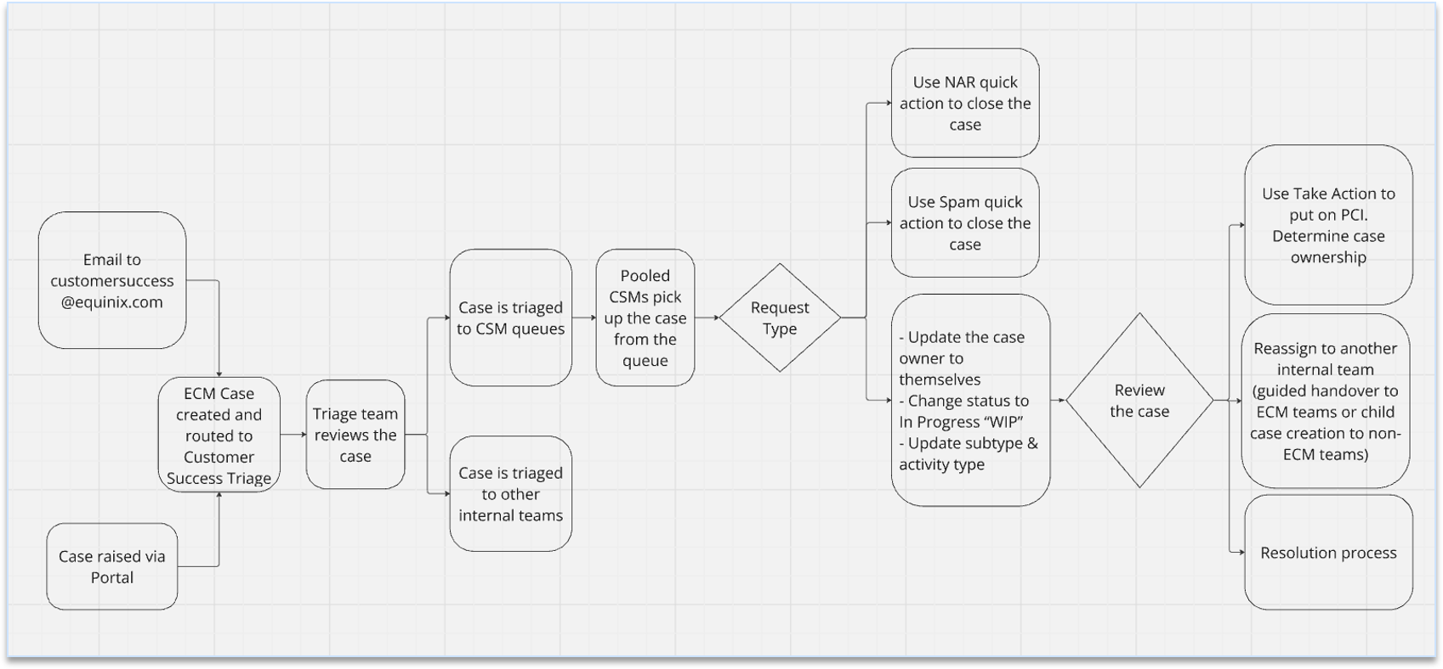
End to End workflow for cases that were routed to CSM team

Support Workflow (Termination)
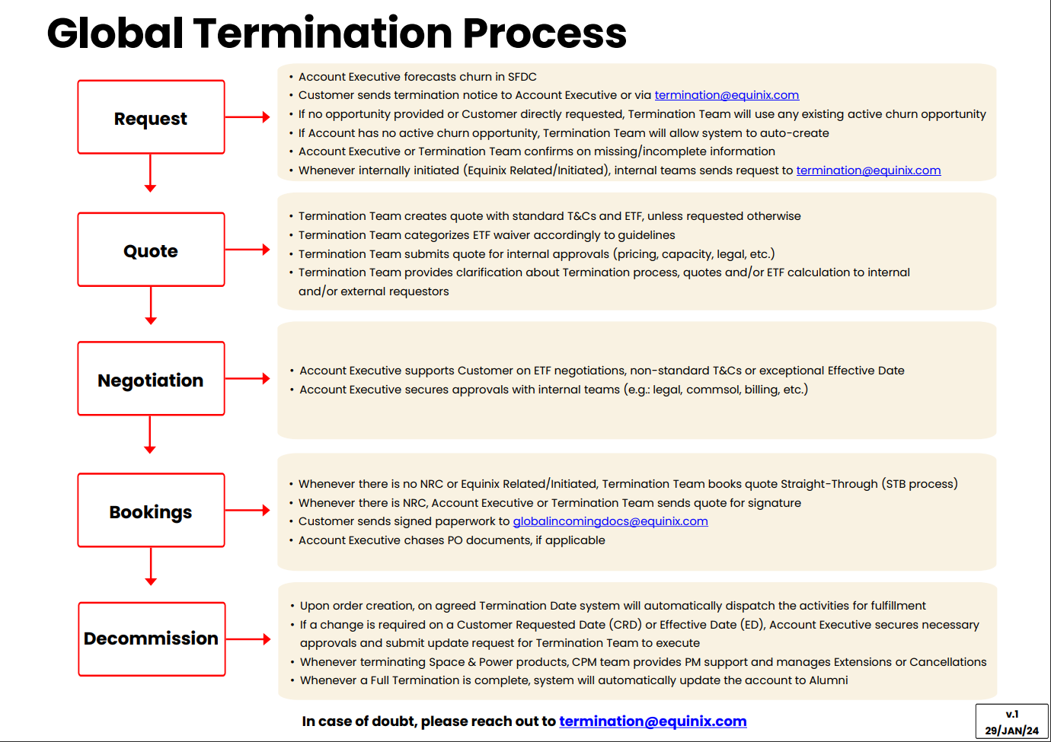
End to End workflow for Turn Up cases that were routed to CSA team

